Charts1
Create Line Chart with Proper formatting
Should be formatted as shown in picture
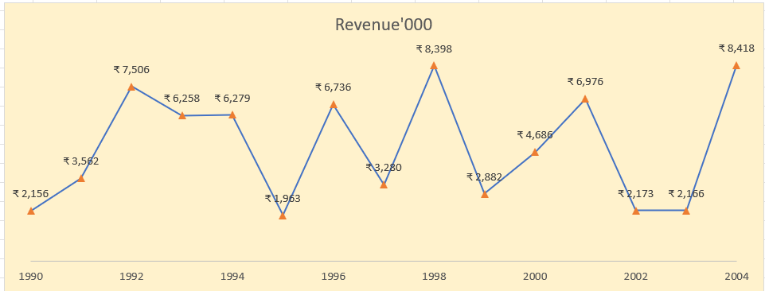
Date | Revenue'000
1990 | ₹ 2,156
1991 | ₹ 3,562
1992 | ₹ 7,506
1993 | ₹ 6,258
1994 | ₹ 6,279
1995 | ₹ 1,963
1996 | ₹ 6,736
1997 | ₹ 3,280
1998 | ₹ 8,398
1999 | ₹ 2,882
2000 | ₹ 4,686
2001 | ₹ 6,976
2002 | ₹ 2,173
2003 | ₹ 2,166
2004 | ₹ 8,418

Charts2
Create Combo Chart with Proper formatting
Should be formatted as shown in picture

 | Revenue'000 | %
2005 | $528
2006 | $4,550 | 7%
2007 | $8,189 | 17%
2008 | $1,730 | 19%
2009 | $5,262 | 26%
2010 | $2,172 | 29%
2011 | $4,384 | 35%
2012 | $8,709 | 46%
2013 | $3,618 | 51%
2014 | $6,372 | 59%
2015 | $3,456 | 63%
2016 | $7,478 | 73%
2017 | $4,649 | 79%
2018 | $5,831 | 86%
2019 | $1,599 | 89%
2020 | $3,695 | 93%
2021 | $1,678 | 95%
2022 | $3,490 | 100%
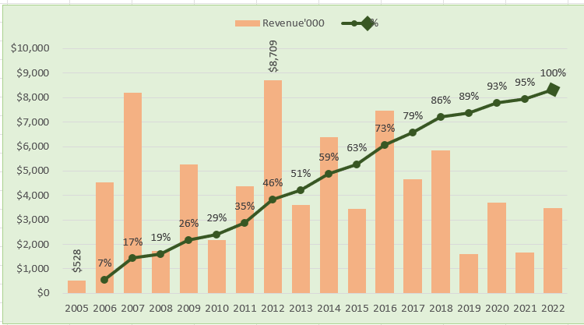
Date | Revenue'000 | Running Total | %
2005 | $528
2006 | $4,550 | 5,078.00 | 7%
2007 | $8,189 | 13,267.00 | 17%
2008 | $1,730 | 14,997.00 | 19%
2009 | $5,262 | 20,259.00 | 26%
2010 | $2,172 | 22,431.00 | 29%
2011 | $4,384 | 26,815.00 | 35%
2012 | $8,709 | 35,524.00 | 46%
2013 | $3,618 | 39,142.00 | 51%
2014 | $6,372 | 45,514.00 | 59%
2015 | $3,456 | 48,970.00 | 63%
2016 | $7,478 | 56,448.00 | 73%
2017 | $4,649 | 61,097.00 | 79%
2018 | $5,831 | 66,928.00 | 86%
2019 | $1,599 | 68,527.00 | 89%
2020 | $3,695 | 72,222.00 | 93%
2021 | $1,678 | 73,900.00 | 95%
2022 | $3,490 | 77,390.00 | 100%

Total | $77,390

3
Create Scatter Chart with Proper formatting
Should be formatted as shown in picture
X | Y
horsepower | weight | X-BAR | Y-BAR | (X-XBAR) | (Y-YBAR)
weight vs horsePower
130 | 3504 | 137.71875 | 3263.53125 | -7.71875 | 240.46875
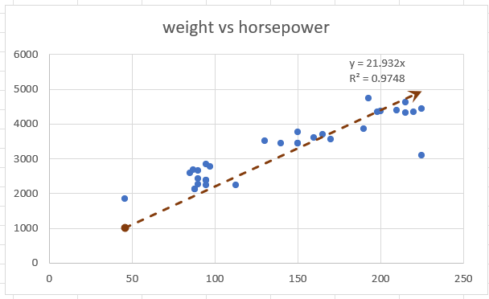
130 | 3693 | 137.96774194 | 3255.7741935 | -7.9677419355 | 437.22580645
130 | 3436 | 138.23333333 | 3241.2 | -8.2333333333 | 194.8
130 | 3433 | 138.51724138 | 3234.4827586 | -8.5172413793 | 198.51724138
130 | 3449 | 138.82142857 | 3227.3928571 | -8.8214285714 | 221.60714286
130 | 4341 | 139.14814815 | 3219.1851852 | -9.1481481481 | 1121.8148148
220 | 4354 | 139.5 | 3176.0384615 | 80.5 | 1177.9615385
215 | 4312 | 136.28 | 3128.92 | 78.72 | 1183.08
225 | 4425 | 133 | 3079.625 | 92 | 1345.375
190 | 3850 | 129 | 3021.1304348 | 61 | 828.86956522
170 | 3563 | 126.22727273 | 2983.4545455 | 43.772727273 | 579.54545455
160 | 3609 | 124.14285714 | 2955.8571429 | 35.857142857 | 653.14285714
150 | 3761 | 122.35 | 2923.2 | 27.65 | 837.8
225 | 3086 | 120.89473684 | 2879.1052632 | 104.10526316 | 206.89473684
95 | 2372 | 115.11111111 | 2867.6111111 | -20.111111111 | -495.61111111
95 | 2833 | 116.29411765 | 2896.7647059 | -21.294117647 | -63.764705882
97 | 2774 | 117.625 | 2900.75 | -20.625 | -126.75
85 | 2587 | 119 | 2909.2 | -34 | -322.2
88 | 2130 | 121.42857143 | 2932.2142857 | -33.428571429 | -802.21428571
46 | 1835 | 124 | 2993.9230769 | -78 | -1158.9230769
87 | 2672 | 130.5 | 3090.5 | -43.5 | -418.5
90 | 2430 | 134.45454545 | 3128.5454545 | -44.454545455 | -698.54545455
95 | 2375 | 138.9 | 3198.4 | -43.9 | -823.4
113 | 2234 | 143.77777778 | 3289.8888889 | -30.777777778 | -1055.8888889
90 | 2648 | 147.625 | 3421.875 | -57.625 | -773.875
215 | 4615 | 155.85714286 | 3532.4285714 | 59.142857143 | 1082.5714286
200 | 4376 | 146 | 3352 | 54 | 1024
210 | 4382 | 135.2 | 3147.2 | 74.8 | 1234.8
193 | 4732 | 116.5 | 2838.5 | 76.5 | 1893.5
88 | 2130 | 91 | 2207.3333333 | -3 | -77.333333333
90 | 2264 | 92.5 | 2246 | -2.5 | 18
95 | 2228 | 95 | 2228 | 0 | 0

